Customers and Residence
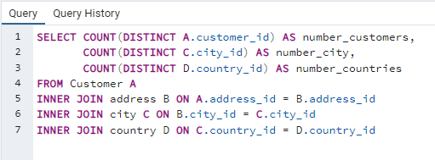
number_customers | number_city | number_countries
599 | 597 | 108

Film Stats
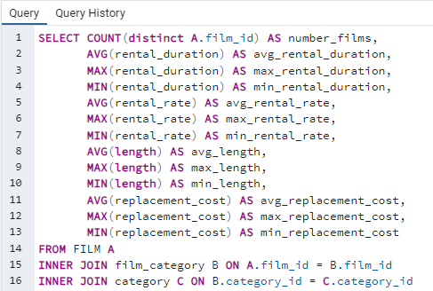
number_films | avg_rental_duration | max_rental_duration | min_rental_duration | avg_rental_rate | max_rental_rate | min_rental_rate | avg_length | max_length | min_length | avg_replacement_cost | max_replacement_cost | min_replacement_cost
1000 | 4.9850000000000000 | 7 | 3 | 2.9800000000000000 | 4.99 | 0.99 | 115.2720000000000000 | 185 | 46 | 19.9840000000000000 | 29.99 | 9.99

Top 10 Movie by Revenue
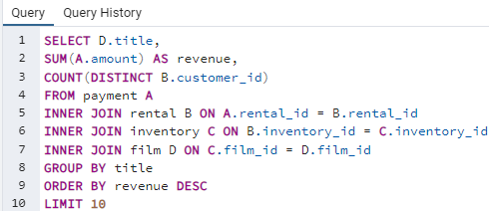
title | revenue | count
Telegraph Voyage | 215.75 | 25
Zorro Ark | 199.72 | 27
Wife Turn | 198.73 | 26
Innocent Usual | 191.74 | 25
Hustler Party | 190.78 | 22
Saturday Lambs | 190.74 | 26
Titans Jerk | 186.73 | 27
Harry Idaho | 177.73 | 27
Torque Bound | 169.76 | 23
Dogma Family | 168.72 | 28

Bottom 10 Movies by Revenue
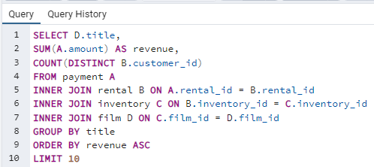
title | revenue | count
Duffel Apocalypse | 5.94 | 6
Oklahoma Jumanji | 5.94 | 6
Texas Watch | 5.94 | 6
Freedom Cleopatra | 5.95 | 5
Rebel Airport | 6.93 | 7
Young Language | 6.93 | 7
Cruelty Unforgiven | 6.94 | 6
Treatment Jekyll | 6.94 | 6
Lights Deer | 7.93 | 7
Japanese Run | 7.94 | 6

Movies by Genre
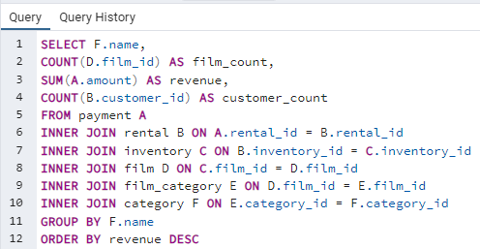
name | film_count | revenue | customer_count
Sports | 1081 | 4892.19 | 1081
Sci-Fi | 998 | 4336.01 | 998
Animation | 1065 | 4245.31 | 1065
Drama | 953 | 4118.46 | 953
Comedy | 851 | 4002.48 | 851
New | 864 | 3966.38 | 864
Action | 1013 | 3951.84 | 1013
Foreign | 953 | 3934.47 | 953
Games | 884 | 3922.18 | 884
Family | 977 | 3782.26 | 977
Documentary | 937 | 3749.65 | 937
Horror | 773 | 3401.27 | 773
Classics | 860 | 3353.38 | 860
Children | 861 | 3309.39 | 861
Travel | 765 | 3227.36 | 765
Music | 750 | 3071.52 | 750
Thriller | 11 | 47.89 | 11

Revenue and Customers by Region
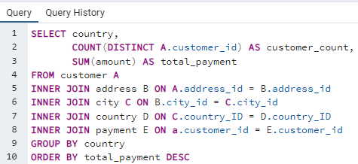
country | customer_count | total_payment
India | 60 | 6034.78
China | 53 | 5251.03
United States | 36 | 3685.31
Japan | 31 | 3122.51
Mexico | 30 | 2984.82
Brazil | 28 | 2919.19
Russian Federation | 28 | 2765.62
Philippines | 20 | 2219.7
Turkey | 15 | 1498.49
Indonesia | 14 | 1352.69
Nigeria | 13 | 1314.92
Argentina | 13 | 1298.8
South Africa | 11 | 1069.46
Taiwan | 10 | 1155.1
United Kingdom | 9 | 850.96
Iran | 8 | 877.96
Poland | 8 | 786.16
Italy | 7 | 753.26
Germany | 7 | 741.24
Venezuela | 7 | 632.43
Vietnam | 6 | 676.45
Ukraine | 6 | 675.53
Colombia | 6 | 661.54
Egypt | 6 | 659.48
Canada | 5 | 559.7
Netherlands | 5 | 557.73
South Korea | 5 | 527.77
Spain | 5 | 513.8
Pakistan | 5 | 473.84
Saudi Arabia | 5 | 452.94
Yemen | 4 | 473.93
Peru | 4 | 407.01
Israel | 4 | 379.13
France | 4 | 334.12
Thailand | 3 | 401.08
Ecuador | 3 | 369.18
Bangladesh | 3 | 353.19
Algeria | 3 | 349.18
Malaysia | 3 | 330.23
Tanzania | 3 | 322.22
Mozambique | 3 | 315.25
United Arab Emirates | 3 | 305.25
Dominican Republic | 3 | 304.26
Chile | 3 | 303.34
Austria | 3 | 284.3
Morocco | 3 | 274.35
Paraguay | 3 | 273.4
Switzerland | 3 | 248.41
Belarus | 2 | 271.36
Latvia | 2 | 249.43
Kenya | 2 | 245.49
Yugoslavia | 2 | 233.49
Puerto Rico | 2 | 224.48
Romania | 2 | 218.42
French Polynesia | 2 | 205.52
Greece | 2 | 204.54
Sudan | 2 | 202.51
Azerbaijan | 2 | 198.53
Bulgaria | 2 | 194.52
Kazakstan | 2 | 192.51
Angola | 2 | 187.55
Cameroon | 2 | 186.49
Myanmar | 2 | 179.53
Cambodia | 2 | 179.51
Bolivia | 2 | 178.56
Congo, The Democratic Republic of the | 2 | 168.58
Oman | 2 | 161.56
Runion | 1 | 211.55
Holy See (Vatican City State) | 1 | 146.68
Nauru | 1 | 143.7
Sweden | 1 | 139.67
Czech Republic | 1 | 132.72
Moldova | 1 | 127.66
Turkmenistan | 1 | 126.74
Chad | 1 | 122.72
Malawi | 1 | 121.73
Zambia | 1 | 121.7
Virgin Islands, U.S. | 1 | 121.69
Greenland | 1 | 119.72
Armenia | 1 | 118.75
Gambia | 1 | 114.73
Iraq | 1 | 111.73
Hungary | 1 | 111.71
Bahrain | 1 | 108.76
North Korea | 1 | 107.71
Brunei | 1 | 107.66
Kuwait | 1 | 106.75
Estonia | 1 | 105.72
Hong Kong | 1 | 104.76
Sri Lanka | 1 | 103.73
Liechtenstein | 1 | 99.74
Anguilla | 1 | 99.68
French Guiana | 1 | 97.8
Faroe Islands | 1 | 96.76
Senegal | 1 | 95.76
Nepal | 1 | 93.83
Tuvalu | 1 | 93.78
Madagascar | 1 | 92.79
Ethiopia | 1 | 91.77
New Zealand | 1 | 85.77
Slovakia | 1 | 80.77
Finland | 1 | 78.79
Tunisia | 1 | 73.78
Afghanistan | 1 | 67.82
Tonga | 1 | 64.84
Saint Vincent and the Grenadines | 1 | 64.82
Lithuania | 1 | 63.78
American Samoa | 1 | 47.85

Top 5 City Lifetime Value
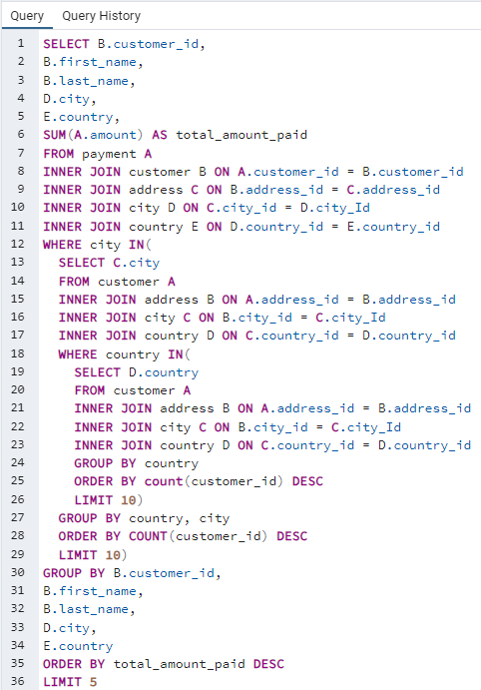
customer_id | first_name | last_name | city | country | total_amount_paid
225 | Arlene | Harvey | Ambattur | India | 111.76
424 | Kyle | Spurlock | Shanwei | China | 109.71
240 | Marlene | Welch | Iwaki | Japan | 106.77
486 | Glen | Talbert | Acua | Mexico | 100.77
537 | Clinton | Buford | Aurora | United States | 98.76

Customer Lifetime Value
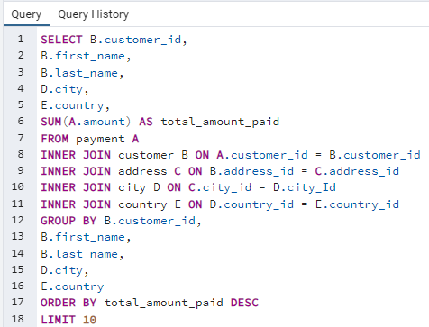
customer_id | first_name | last_name | city | country | total_amount_paid
148 | Eleanor | Hunt | Saint-Denis | Runion | 211.55
526 | Karl | Seal | Cape Coral | United States | 208.58
178 | Marion | Snyder | Santa Brbara dOeste | Brazil | 194.61
137 | Rhonda | Kennedy | Apeldoorn | Netherlands | 191.62
144 | Clara | Shaw | Molodetno | Belarus | 189.6
459 | Tommy | Collazo | Qomsheh | Iran | 183.63
181 | Ana | Bradley | Memphis | United States | 167.67
410 | Curtis | Irby | Richmond Hill | Canada | 167.62
236 | Marcia | Dean | Tanza | Philippines | 166.61
403 | Mike | Way | Valparai | India | 162.67

